Year 6 (SFY23) Program Funding
QIPP Fully Funded Calculations ($1.1B option)
Program Funding
Total Estimated Funds | $1,100,000,000
NFS Funds | $440,550,000
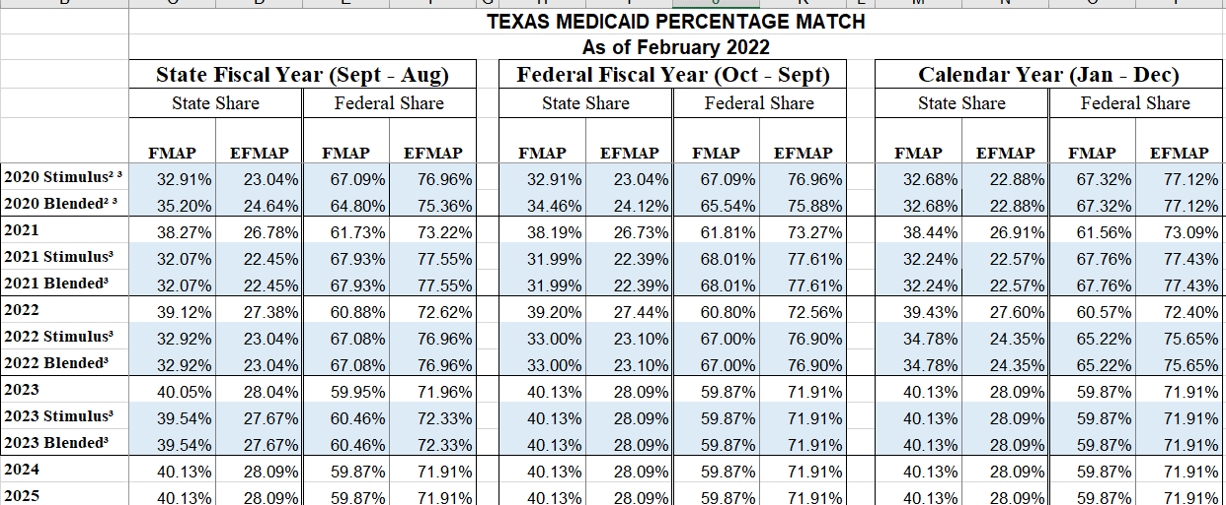
Federal Funds | $659,450,000

Breakdown of Program Funding
SFY 2023 State FMAP | 40.05%
MCO Admin Fee | 0.125%
MCO Risk Margin | 1.750%
MCO Premium Tax (State of Texas) | 1.750%

Total Funds | $1,100,000,000
minus MCO Admin Fee | $1,375,000
minus MCO Risk Margin | $19,250,000
minus MCO Provider Tax | $19,250,000
Total Program Funds | $1,060,125,000

IGT Funds Needed for Pool Size | $440,550,000
Requested IGT + Holdback | $475,794,000
8%

Available Funds for Program Components
Component 1 = NFS plus 10%
110.00% | $484,605,000

Component 2 = 40% of pool after C1/C4/MCO Fees
40.00% | $159,808,000

Component 3 = 60% of pool after C1/C4/MCO Fees
60.00% | $239,712,000

Component 4 = 16% of total funds
16.00% | $176,000,000

