Year 7 (SFY24)
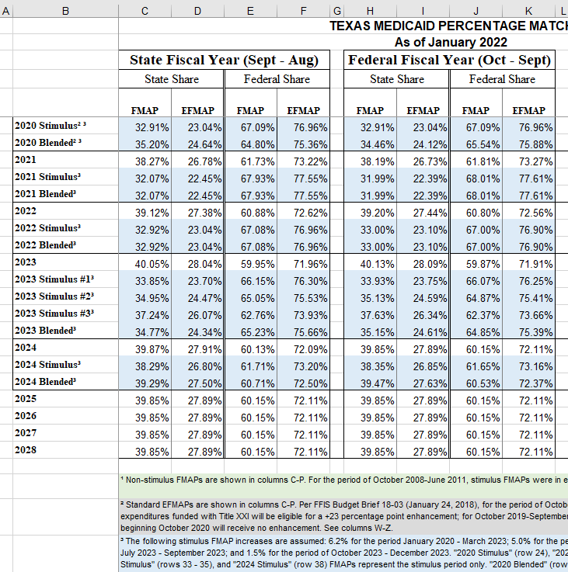
QIPP Fully Funded Calculations ($1.1B option)
Program Funding
Total Estimated Funds | $1,100,000,000
NFS Funds | $432,190,000
Federal Funds | $667,810,000

Breakdown of Program Funding
SFY 2024 State FMAP | 39.29%
MCO Admin Fee | 0.125%
MCO Risk Margin | 1.750%
MCO Premium Tax (State of Texas) | 1.750%

Total Funds | $1,100,000,000
minus MCO Admin Fee | $1,375,000
minus MCO Risk Margin | $19,250,000
minus MCO Provider Tax | $19,250,000
Total Program Funds | $1,060,125,000

IGT Funds Needed for Pool Size | $432,190,000
Requested IGT + Holdback | $466,765,200
8%

Available Funds for Program Components
Component 1 = NFS plus 10%
110.00% | $475,409,000

Component 2 = 40% of pool after C1/C4/MCO Fees
40.00% | $163,486,400

Component 3 = 60% of pool after C1/C4/MCO Fees
60.00% | $245,229,600

Component 4 = 16% of total funds
16.00% | $176,000,000

